Wheels
 |  |  | S = Standard Equipment A = Available -- (dashes) = Not Available D = ADI Available ■ = Included in Equipment Group □ = Included in Equipment Group but upgradeable * = Indicates availability of feature on multiple models.
Orderable RPO Code | Ref. Only RPO Code | Wheels | Description | Work Truck Standard Range 4WT | Work Truck Extended Range 5WT | Work Truck Max Range 8WT | LT Standard Range 2LT | LT Extended Range 3LT | LT Max Range 4LT | Trail Boss Extended Range 2TR | Trail Boss Max Range 3TR
 | RT5 | 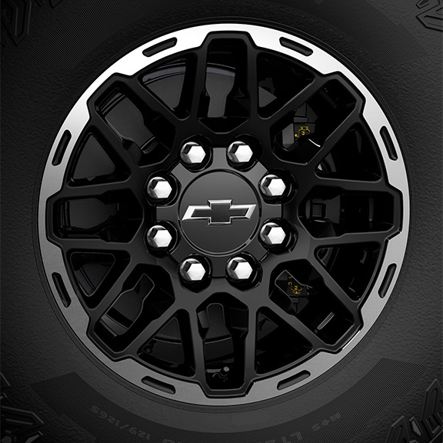 | NEW! Wheels, 18" x 8.5" (45.7 cm x 21.6 cm) | -- | -- | -- | -- | -- | -- | S | S
 | Q7L | 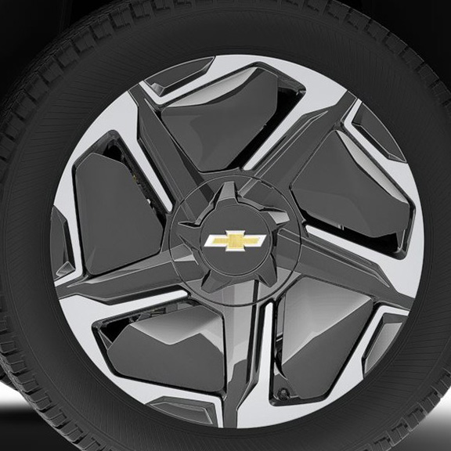 | Wheels, 22" x 9" (55.9 cm x 22.9 cm), Machined face aluminum with aero inserts | -- | -- | -- | -- | -- | S | -- | --
 | RT3 | 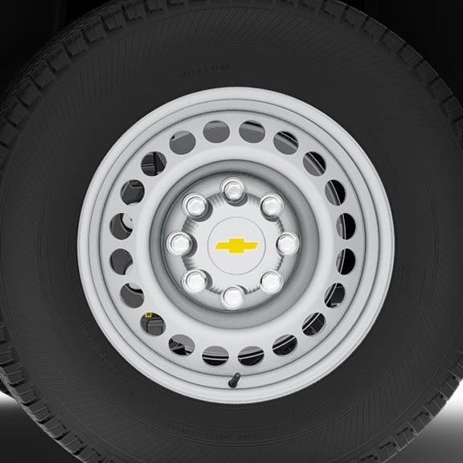 | Wheels, 18" X 8.0" (45.7 cm x 20.3 cm), steel | S | -- | -- | -- | -- | -- | -- | --
 | SES | 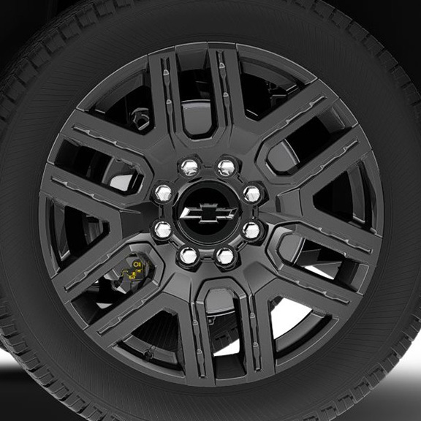 | LPO, 22" (55.9 cm) Black painted aluminum wheels, (dealer-installed) 1. Included and only available with (PDK) Dark Package Plus, LPO. Includes (PJ6) transit wheels. | -- | -- | -- | A1 | A1 | A1 | -- | --
SEU |  | 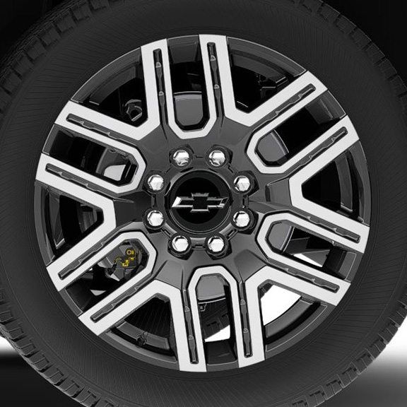 | LPO, 22" (55.9 cm) Gloss black wheels with machine face, (dealer-installed) 1. Includes (PJ6) transit wheels. 2. Not available with (PDT) Bronze Package, LPO or (PDK) Dark Package Plus, LPO. Includes (PJ6) transit wheels. | A1 | A1 | A1 | A2 | A2 | A2 | -- | --
 | SF1 | 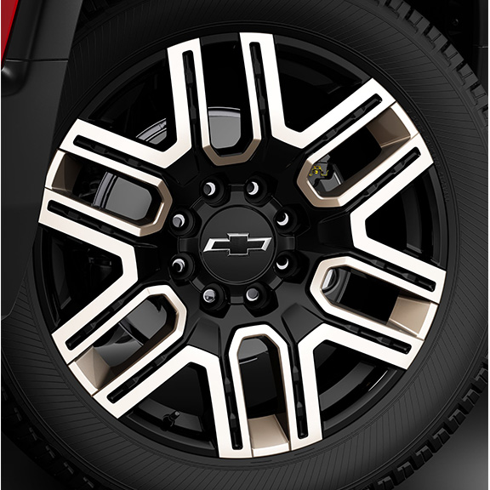 | LPO, 22" (55.9 cm) Bronze wheels, (dealer-installed) 1. Included and only available with (PDT) Bronze Package, LPO. Includes (PJ6) transit wheels. | -- | -- | -- | A1 | A1 | A1 | -- | --

